Sheet1
Data penjualan es krim (Temperatur dalam Fahrenheit dan penjualan per 100 dolar)

 | Day | Temp | Sales |  |  | SUMMARY OUTPUT
 | 1 | 65 | 20 | Hipotesis:
 | 2 | 68 | 22 |  |  | Regression Statistics
 | 3 | 66 | 21 |  |  | Multiple R | 0.861
 | 4 | 75 | 23 | Test Statistics |  | R Square | 0.741
 | 5 | 81 | 25 |  |  | Adjusted R Square | 0.727
 | 6 | 76 | 26 |  | = 7,183 | Standard Error | 2.325
 | 7 | 78 | 28 |  |  | Observations | 20
 | 8 | 85 | 30
 | 9 | 88 | 30 | Critical Value: |  | ANOVA
 | 10 | 95 | 35 | = ± 2,101 |  |  | df | SS | MS | F | Significance F
 | 11 | 90 | 29 |  |  | Regression | 1 | 278.908 | 278.908 | 51.601 | 0.000
 | 12 | 82 | 28 | Kalau t stat lebih kecil dari -2,101 atau lebih besar |  | Residual | 18 | 97.292 | 5.405
 | 13 | 80 | 26 | dari 2,101, H0 ditolak |  | Total | 19 | 376.200
 | 14 | 76 | 26
 | 15 | 74 | 24 |  |  |  | Coefficients | Standard Error | t Stat | P-value | Lower 95% | Upper 95% | Lower 95,0% | Upper 95,0%
 | 16 | 73 | 24 |  |  | Intercept | -8.431 | 4.641 | -1.817 | 0.086 | -18.182 | 1.320 | -18.182 | 1.320
 | 17 | 73 | 20 |  |  | Temp | 0.433 | 0.060 | 7.183 | 0.000 | 0.306 | 0.560 | 0.306 | 0.560
 | 18 | 77 | 18
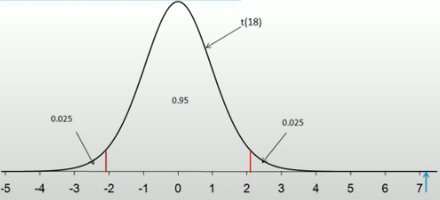
 | 19 | 68 | 19
 | 20 | 60 | 20

